2019 or Earlier
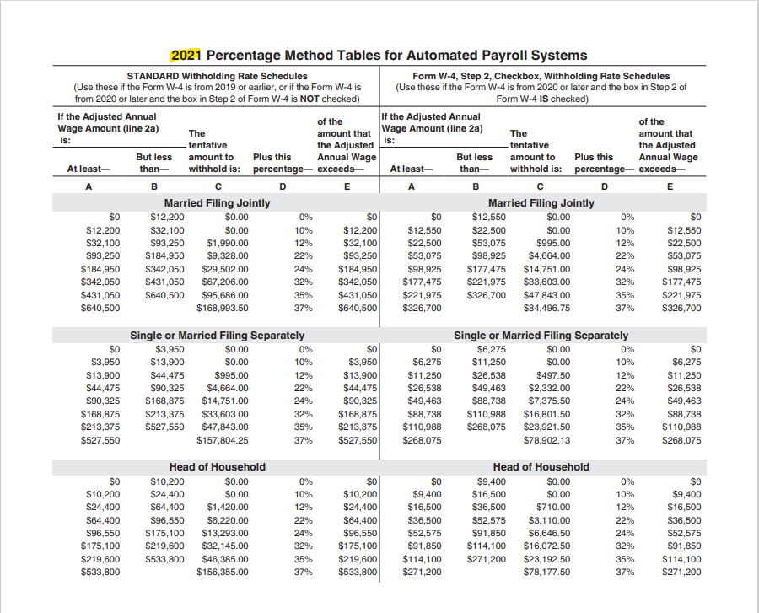
Before 2020 |  | Only fill out the highlighted cells
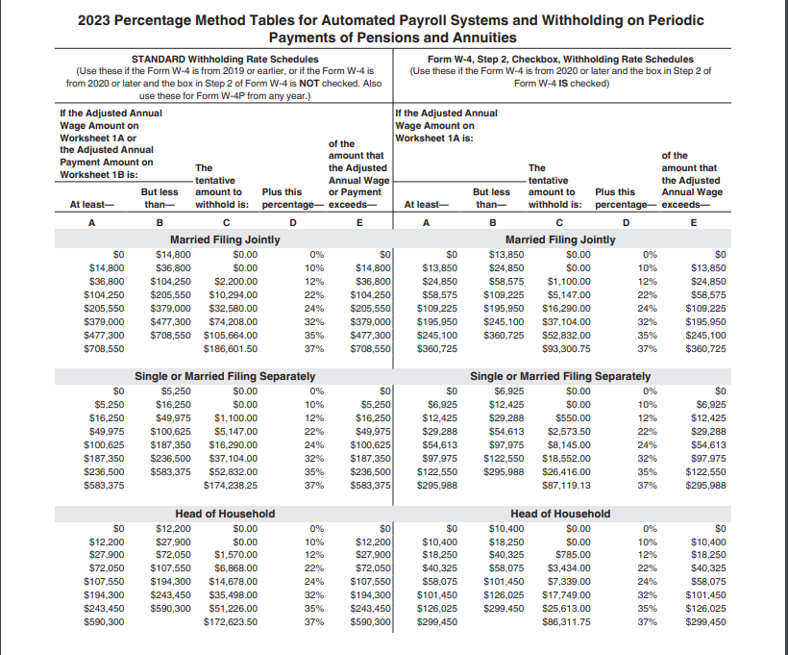
 | Table 3 | Semiannually | Quarterly | Monthly | Semimonthly | Biweekly | Weekly | Daily
 |  | 2 | 4 | 12 | 24 | 26 | 52 | $260.00

Step 1 | Adjust the employee's payment amount
 | 1a | Enter the employee's total taxable wages this payroll period………………………………. |  |  |  |  | 1a | $0.00
 | 1b | Enter the number of pay periods you have per year (see Table 3)……………………….. |  |  |  |  | 1b | 24 | ①
 | 1c | Multiply the amount on line 1a by the number on line 1b……………………………………. |  |  |  |  | 1c | $0.00

 | 1j | Enter the number of allowances claimed on the employee's most recent Form W-4 |  |  |  |  | 1j
 | 1h | Multiply line 1j by $4,300……………………………………………………………………………….…………… |  |  |  |  | 1h | $0.00
 | 1i | Subtract line 1k from line 1c. If zero or less, enter -0-. This is the Adjusted
 |  | Annual Wage Amount…………………………………………………………………………………………………. |  |  |  |  | 1i | $0.00

Step 2 | Figure the Tentative Withholding Amount
 | based on the employee's Adjusted Annual Wage Amount; filing status (Step 1c of the 2020 or later Form W-4; and whether the box in Step 2 of 2020 or later Form W-4 is checked.
 | Note. Don't use the Head of Household table if the Form W-4 is from 2019 or earlier.

 | 2a | Enter the employee's Adjusted Annual Wage Amount from line 1i above…………… |  |  |  |  | 2a | $0.00
 | 2b | Find the row in the appropriate ②Annual Percentage Method table in which the
 |  | amount on line 2a is at least the amount in column A but less than the amount
 |  | in column B, then enter here the amount from column A of that row………………….. |  |  |  |  | 2b
 | 2c | Enter the amount from column C of that row…………………………………………………………. |  |  |  |  | 2c
 | 2d | Enter the percentage from Column D of that row………………………………………….…….. |  |  |  |  | 2d
 | 2e | Subtract line 2b from line 2a……………………………………………………………………………….…… |  |  |  |  | 2e | $0.00
 | 2f | Multiply the amount on line 2e by the percentage on line 2d…………………………….…. |  |  |  |  | 2f | $0.00
 | 2g | Add lines 2c and 2f…………………………………………………………………………………………………… |  |  |  |  | 2g | $0.00
 | 2h | Divide the amount on line 2g by the number of pay periods on line 1b. This is
 |  | the Tentative Withholding Amount…………………………………………………………………. |  |  |  |  | 2h | $0.00

Step 3 | Account for tax credits
 | 3a | If the employee's Form W-4 is from 2020 or later, enter the amount from Step 3
 |  | of that form; otherwise enter -0-……………………………………………………………………………. |  |  |  |  | 3a
 | 3b | Divide the amount on line 3a by the number of pay periods on line 1b……………….. |  |  |  |  | 3b | $0.00
 | 3c | Subtract line 3b from 2h. If zero or less, enter -0-………………………………………………….. |  |  |  |  | 3c | $0.00

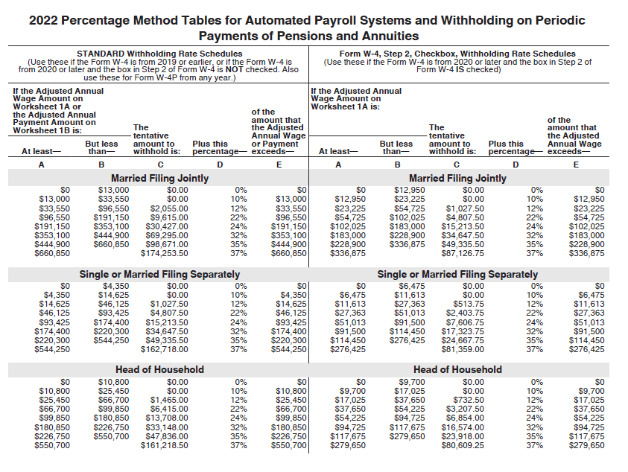
Step 4 | Figure the final amount to withhold
 | 4a | Enter the additional amount to withhold from the employee's Form W-4 (Step
 |  | 4c of the 2020 or later form…………………………………………………………………………………….. |  |  |  |  | 4a
 | 4b | Add lines 3c and 4a. This is the amount to withhold from the employee's wages
 |  | this pay period…………………………………………………………………………………………………………. |  |  |  |  | 4b | $0.00

 | ① | If tax period is > 1, then the number of pay periods you have per year = 24 pay periods/ number of tax periods
 |  | The amount in cell I9 needs to be manually adjusted.

 | ② | Please use the correct Percentage Method Tables for Automated Payroll Systems

2020 or Later
2020 or Later |  | Only fill out the highlighted cells

 | Table 3 | Semiannually | Quarterly | Monthly | Semimonthly | Biweekly | Weekly | Daily
 |  | 2 | 4 | 12 | 24 | 26 | 52 | $260.00

Step 1 | Adjust the employee's payment amount
 | 1a | Enter the employee's total taxable wages this payroll period………………………………. |  |  |  |  | 1a | $0.00
 | 1b | Enter the number of pay periods you have per year (see Table 3)……………………….. |  |  |  |  | 1b | 24 | ①
 | 1c | Multiply the amount on line 1a by the number on line 1b……………………………………. |  |  |  |  | 1c | $0.00

 | 1d | Enter the amount from Step 4(a) of the employee's Form W-4…………………………….. |  |  |  |  | 1d
 | 1e | Add lines 1c and 1d………………………………………………………………………………………………….. |  |  |  |  | 1e | $0.00
 | 1f | Enter the amount from Step 4(b) of the employee's Form W-4………………………….…… |  |  |  |  | 1f
 | 1g | If the box in Step 2 of Form W-4 is checked, enter -0-. If the box is not checked,
 |  | enter $12,900 if the taxpayer is married filing jointly or $8,600 otherwise…………… |  |  |  |  | 1g
 | 1h | Add lines 1f and 1g………………………………………………………………………………………………….. |  |  |  |  | 1h | $0.00
 | 1i | Subtract line 1h from line 1e. If zero or less, enter -0-. This is the Adjusted
 |  | Annual Wage Amount…………………………………………………………………………………………….. |  |  |  |  | 1i | $0.00

Step 2 | Figure the Tentative Withholding Amount
 | based on the employee's Adjusted Annual Wage Amount; filing status (Step 1c of the 2020 or later Form W-4; and whether the box in Step 2 of 2020 or later Form W-4 is checked.

 | 2a | Enter the employee's Adjusted Annual Wage Amount from line 1i above…………… |  |  |  |  | 2a | $0.00
 | 2b | Find the row in the appropriate ②Annual Percentage Method table in which the
 |  | amount on line 2a is at least the amount in column A but less than the amount
 |  | in column B, then enter here the amount from column A of that row………………….. |  |  |  |  | 2b
 | 2c | Enter the amount from column C of that row…………………………………………………………. |  |  |  |  | 2c
 | 2d | Enter the percentage from Column D of that row………………………………………….…….. |  |  |  |  | 2d
 | 2e | Subtract line 2b from line 2a……………………………………………………………………………….…… |  |  |  |  | 2e | $0.00
 | 2f | Multiply the amount on line 2e by the percentage on line 2d…………………………….…. |  |  |  |  | 2f | $0.00
 | 2g | Add lines 2c and 2f…………………………………………………………………………………………………… |  |  |  |  | 2g | $0.00
 | 2h | Divide the amount on line 2g by the number of pay periods on line 1b. This is
 |  | the Tentative Withholding Amount…………………………………………………………………. |  |  |  |  | 2h | $0.00

Step 3 | Account for tax credits
 | 3a | If the employee's Form W-4 is from 2020 or later, enter the amount from Step 3
 |  | of that form; otherwise enter -0-……………………………………………………………………………. |  |  |  |  | 3a
 | 3b | Divide the amount on line 3a by the number of pay periods on line 1b……………….. |  |  |  |  | 3b | $0.00
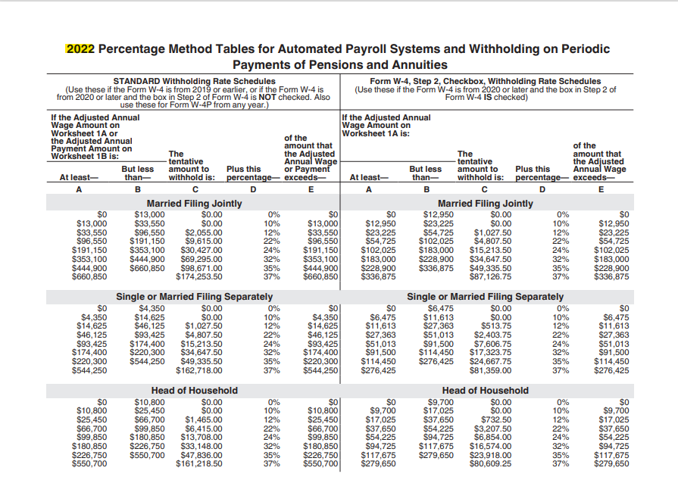
 | 3c | Subtract line 3b from 2h. If zero or less, enter -0-………………………………………………….. |  |  |  |  | 3c | $0.00

Step 4 | Figure the final amount to withhold
 | 4a | Enter the additional amount to withhold from the employee's Form W-4 (Step
 |  | 4c of the 2020 or later form…………………………………………………………………………………….. |  |  |  |  | 4a
 | 4b | Add lines 3c and 4a. This is the amount to withhold from the employee's wages
 |  | this pay period…………………………………………………………………………………………………………. |  |  |  |  | 4b | $0.00

 | ① | If tax period is > 1, then the number of pay periods you have per year = 24 pay periods/ number of tax periods
 |  | The amount in cell I9 needs to be manually adjusted.

 | ② | Please use the correct Percentage Method Tables for Automated Payroll Systems

